User Manual
Do not add columns, change column names, or alter the worksheet (tab) names. Doing so may cause your dataset to be returned to you for revision. See the Sample Entries tab for examples of how to enter data.
Note: All cells should contain valid values where applicable, even when the value is the same as that in the cell above. Leave cells blank if there is no value to add (i.e. do not add NA or 0 unless that is the valid value).
Chapter 33 Spreadsheet Entry Instructions

Column | Column Name | Required (tan cells) | Format | Example Entry | Notes
A | Permittee last name | Yes | General | Smith | Enter last name of permittee (as it appears on your Chp. 33 permit).
B | Permit ID # | Yes | Whole number | 950 | Enter the number of your Chapter 33 permit (excluding the 33- )
C | Observer | Yes | General | John Smith; Jane Smith | Enter first and last names of observer(s). Separate multiple observer names by semi-colons.
D | Data Entry Personnel | No | General | John Smith | Enter first and last names of data entry personnel
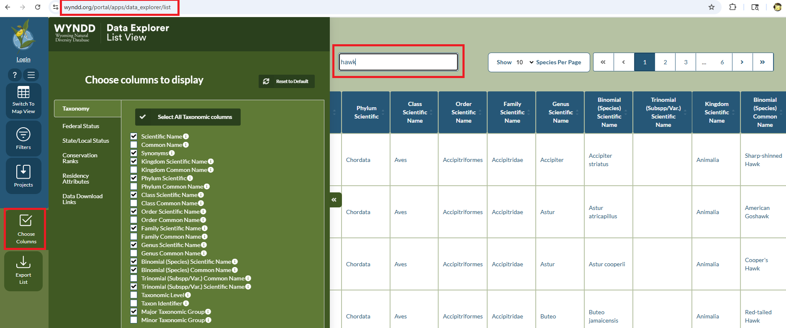
E | Date | Yes | Date | 9/25/15 | The date animal was located/observed, captured, etc. For a given Permit ID #, the year should be the same for all rows when submitting data. If you have data for multiple years for a Permit ID #, a separate submission is required for each year.
F | Species Scientific Name | Yes | General | Lynx rufus | To see current accepted scientific names: 1) go to WYNDD's Species List at https://wyndd.org/portal/apps/data_explorer/list. 2) For unknown higher-level taxa, such as an unknown hawk, enter scientific name at lowest certain taxonomic level (e.g. genus="Buteo", family="Accipitridae", order="Accipitriformes", class="Aves", phylum="Arthropoda", kingdom="Animalia"). Do not add " sp." or " spp." at the end. You can see these scientific names by using "Choose Columns" as shown in the example to the right.
G | Detection Type | No* | List | caught and released | See "Detection Type" tab for description of allowable types. *Generally, all records should have a value for this column, unless it is not known
H | Collar frequency | No | General | 151.23 | Enter the GPS/satellite frequency (some may contain alpha characters). If no frequency, leave blank.
I | 1ST Tag # | No | General | E – 346 | Enter the tag number on leg bands, collars, ear tags, etc. If no tag #, leave blank. (This IS NOT the animal ID#, below.)
J | 1ST Tag color | No | General | Red | Enter the color of the tag (red, yellow, etc.). If no tag color, leave blank.
K | 2ND Tag # | No | General | E – 346 | Enter the tag number on leg bands, collars, ear tags, etc. If no tag #, leave blank. (This is not the animal ID#, below.)

L | 2ND Tag color | No | General | Red | Enter the color of the tag (red, yellow, etc.). If no tag color, leave blank.

M | Animal ID # | No | General | 5 | This IS NOT a tag #, but a number you assign for each unique animal collared/tagged. This may be any identifying number and or letters you assign. If you do not have a unique numbering system, enter 1 for the first marked animal, 2 for the second marked animal, etc.
 |  |  |  |  | Leave blank if animal has not been marked.
N | ma_adult_qty | Yes. At least one sex/age class combo must contain a value of 1 or greater. Leave a column blank if no individuals of that sex/age class were detected for the row. Choose the un_unk_qty if you do not know the age or sex. Rows without a total > 0 will remain orange, indicating that a tally is still needed. Rows with the minimum tally info provided will change to white as data provided. | Whole number | 5 | Count of adult males
O | ma_year_qty |  |  |  | Count of yearling males
P | ma_juv_qty |  |  |  | Count of juvenile males
Q | ma_larvae_qty |  |  |  | Count of larval males
R | ma_meta_qty |  |  |  | Count of metamorph males
S | ma_unk_qty |  |  |  | Count of males of unknown life stage
T | fe_adult_qty |  |  |  | Count of adult females
U | fe_year_qty |  |  |  | Count of yearling females
V | fe_juv_qty |  |  |  | Count of juvenile females
W | fe_larvae_qty |  |  |  | Count of larval females
X | fe_meta_qty |  |  |  | Count of metamorph females
Y | fe_unk_qty |  |  |  | Count of females of unknown life stage
Z | un_adult_qty |  |  |  | Count of adults of unknown sex
AA | un_year_qty |  |  |  | Count of yearlings of unknown sex
AB | un_juv_qty |  |  |  | Count of juveniles of unknown sex
AC | un_larvae_qty |  |  |  | Count of larvae of unknown sex
AD | un_meta_qty |  |  |  | Count of metamorphs of unknown sex
AE | un_unk_qty |  |  |  | Count of unknown sex/unknown life stage
AF | egg_masses_qty |  |  |  | Count of egg masses
AG | Observer Activity | No | List | Nesting/Production Survey | See Observer Activity tab for values; if none apply, leave blank.
AH | Mortality | No | List | Highway Accident | See Mortality tab for descriptions; if none apply, leave blank.
AI | White-Nose Damage | No | List | WNS0 | See White-Nose tab for descriptions; values in this column should only be supplied for bats.
AJ | Animal Activity | No | List | feeding/foraging | See Animal Activity tab for descriptions; if none apply, leave blank.
AK | Habitat Type | No | List | 1.6 | See Habitat Type tab for codes and descriptions.
AL | Dwelling Feature | No | List | nest | See Dwelling Feature tab for codes and descriptions
AM | X Coordinate (longitude/easting) | Yes | Number (integer or decimal) | -107.54 | For geographic coordinates (lat/long), this is LONGITUDE. In Wyoming, longitude is always. For UTMs, this is EASTING.
AN | Y Coordinate (latitude/northing) | Yes | Number (integer or decimal) | 46.844 | For geographic coordinates (lat/long), this is LATITUDE. For UTMs, this is EASTING.
AO | Coordinate System | Yes | List | *565017 | See Coordinate System tab (far right)
AP | Mapping Precision (m) | No | Number (integer or decimal) | 30 | Estimate of the precision of the coordinates provided, in meters. For coordinates obtained by GPS unit, 10 meters is a reasonable estimate, if your GPS unit did not provide a more reasonable estimate. If you don't provide a value, here, WYNDD will assume you used a GPS unit to obtain coordinates, and will apply a default mapping precision of 10 meters.
AQ | Observation Comment | No | General |  | General location for comments that provide additional information about the record.
AR | Record Sensitivity | Yes | List | Share | Determines whether WYNDD should consider the record to be "sensitive." See the Record Sensitivity tab for more information.
AS | Stop! Do not add! |  | NA | NA | Do not add columns, change column names, or sheet name. Doing so may cause the spreadsheet to be returned to you. If you have additional attribute information you feel should be retained, please contact data@wyndd.org to discuss.

